Landing Page
Performance Dashboard - Glossary

This Glossary is intended to support the use of the Performance Dashboards.
The Performance Dashboards aim to give an at a glance understanding of how Council Services are performing in terms of performance and finance measures, and relevant risks. There is at least one Dashboard for each PDG, one for the Planning committee, and a Corporate Dashboard also.
The Dashboards incorporate performance measures that make up part of the Corporate Plan 2024-28, and these are highlighted on the Dashboards in yellow text.
On the following tab ("Glossary"), all the performance and finance measures are listed. These are arranged by the Dashboard they relate to. For each indicator there is a column to indicator to indicator whether they are part of the Corporate Plan (Yes/No), the type (Performance/ Finance), and a definition.
The definition attempts to provide a fuller understanding what is being measured and how.
All columns can be filtered ( ). This can be used to review measures for a particular dashboard, by whether they are part of the Corporate Plan, or whether they are performance or finance measures.
This glossary was last updated on 18/11/2024.
Select a Dashboard:
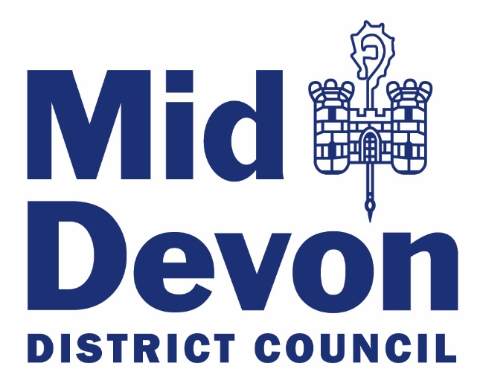

All
Planning, Environment & Sustainability
Community, People and Equalities
Homes

Planning
Economy and Assets
Service Delivery and Continuous Improvement
Corporate

